Membership Payment Plans
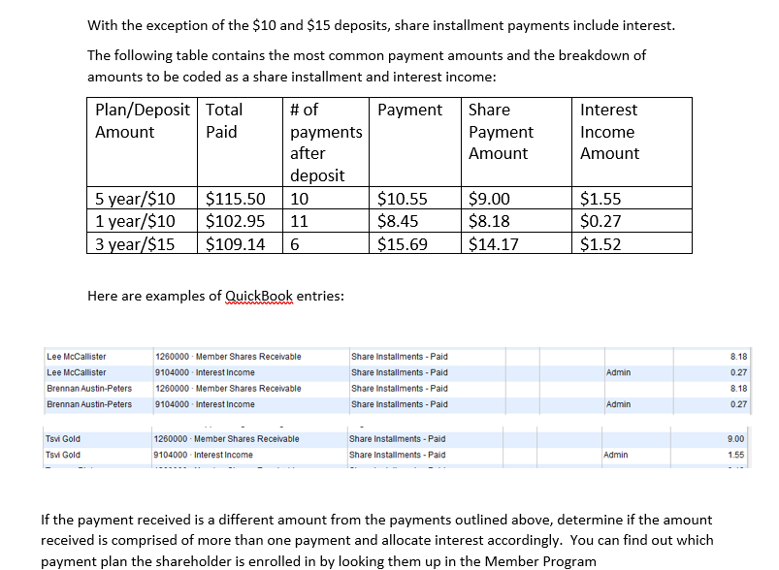

*If paid off in 3 months we remove the interest
What about 5 year?

